Manual
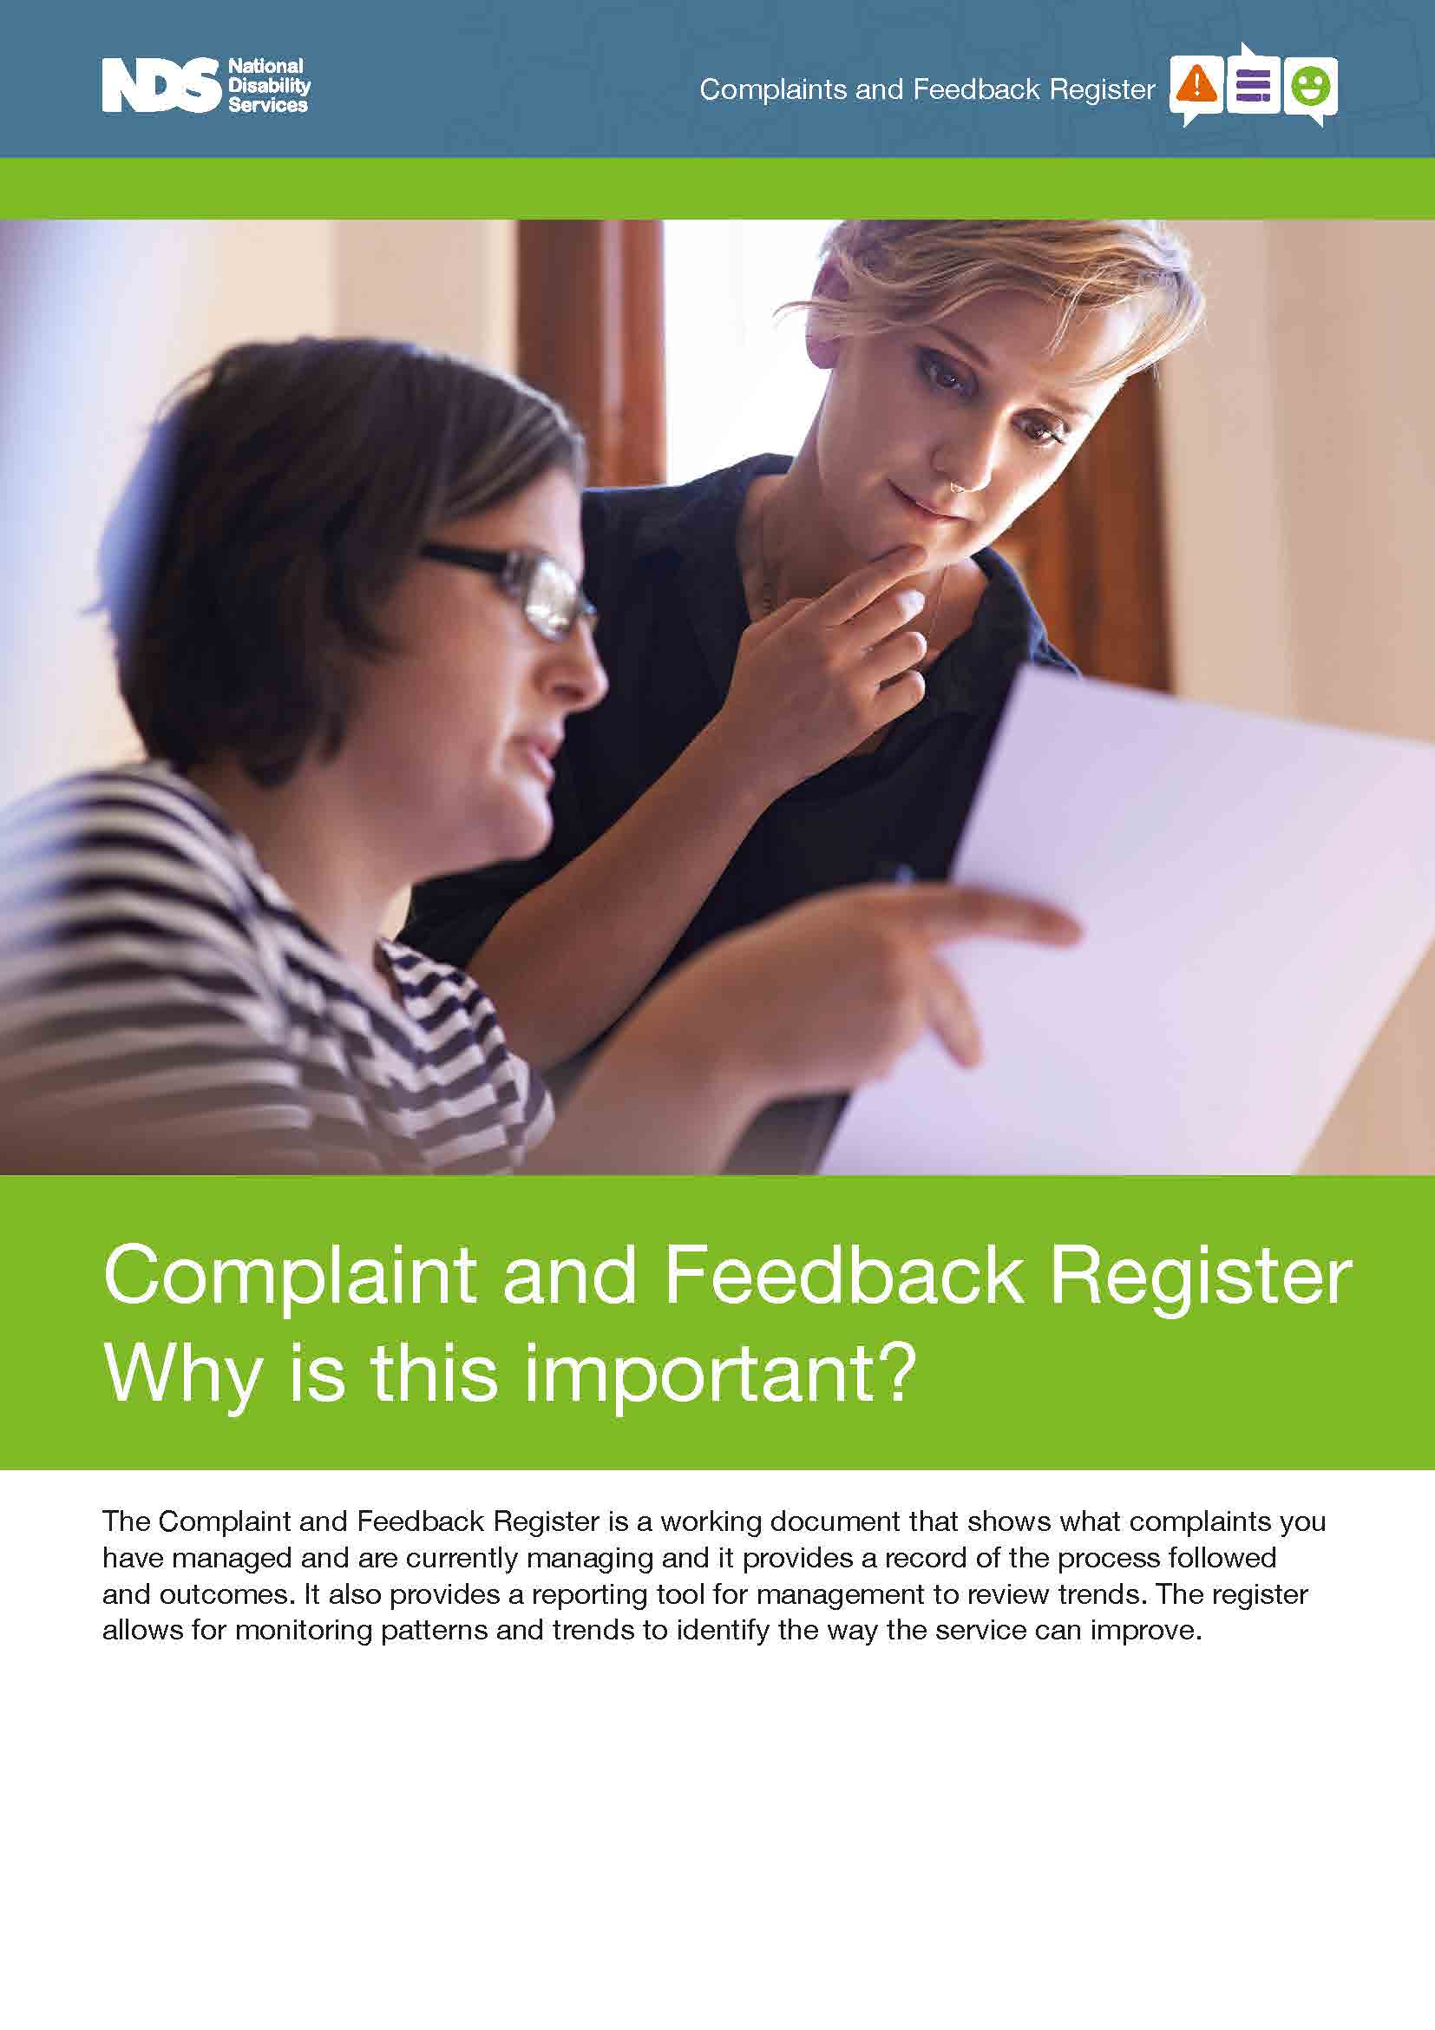
Complaint and Feedback Register Manual

For more information on the Complaint and Feedback Register, please click the link or image below.

http://www.nds.org.au/images/resources/quality_and_safeguards/excel_register_manuals/Complaint-and-Feedback-Register-Manual.pdf

Complaint and Feedback Register
Complaint and Feedback Register for [Name]
 |  |  |  |  |  | Investigation |  |  |  | Improvement
Number | Date Received | Category | Description and impact of complaint | Complainant Desired outcomes | Investigation Undertaken | Investigation Record of What Happened | Investigation Findings | Investigation Actions | Complainant feedback on complaint process | Improvement action to complaint handling process required | Organisational Improvement Actions identified from complaint | Improvement Implemented | Status | Date Closed | Links to relevant information
These are examples. The examples have been kept in the Register to show you how the reports (pivot tables) will look with populated data.
These examples need to be deleted when you start recording your own records.
To delete, select the rows (eg row 4 to 6) > right click > select Delete.
These same examples can be found in the Examples worksheet.
Delete this text box when you remove the examples.
001 | 2021-01-01 | Breach of Privacy | Participant overheard a staff member (A) telling another staff member (B) about some information the participant shared with them(A) in confidence | Apology and for this not to occur in future | Yes | Interviewed staff (A&B) | Confirmed breach of privacy occurred | Apology provided to complainant | Can we insert; Participant was happy with their involvement in the process but wasn’t clear in the beginning who to raise the issue with as both staff were supporting them | nil | Insert respect for privacy requirements into onboarding staff contract and annual performance review. Reminder at January 2021 staff meeting of privacy requirements. | Yes | Action proposed |  | h:\company server\complaints folder\complaints number folder containing relevant information
002 | 2021-02-03 | Conduct | I wanted staff member (C) to work with me | Be able to choose who supports me | No |  | Unable to provide worker of choice on every occasion, but will endeavour. Explained to complainant. | Reassured would try but cant promise | Can we insert; Participant was satisfied with how staff responded to their concern and the outcome | Offer of advocate at complaint lodgement stage. Change to procedure | Insert this disclaimer into service agreement | Yes | Action complete | 2021-03-03
003 | 2021-08-08 | Feedback | Staff member has been approached by family members concerned about COVID safe practices -asking that only vaccinated staff be allowed to support their family member | Change in policy to ensure only vaccinated workers provide support to some participants | yes | Conducted staff and family survey | Approx 60% of family members would like the choice and 20% of staff wouldn’t get vaccinated | Monitor potential for federal government to make mandatory -provide 2 month window. In the mean time try to meet requests | N/A | N/A |  | No | Action proposed

Example Register
Complaint and Feedback Register for [Name]
 |  |  |  |  |  | Investigation |  |  |  | Improvement
Number | Date Received | Category | Description and impact of complaint | Complainant Desired outcomes | Investigation Undertaken | Investigation Record of What Happened | Investigation Findings | Investigation Actions | Complainant feedback on complaint process | Improvement action to complaint handling process required | Organisational Improvement Actions identified from complaint | Improvement Implemented | Status | Date Closed | Links to relevant information
001 | 2021-01-01 | Breach of Privacy | Participant overheard a staff member (A) telling another staff member (B) about some information the participant shared with them(A) in confidence | Apology and for this not to occur in future | Yes | Interviewed staff (A&B) | Confirmed breach of privacy occurred | Apology provided to complainant | Can we insert; Participant was happy with their involvement in the process but wasn’t clear in the beginning who to raise the issue with as both staff were supporting them | nil | Insert respect for privacy requirements into onboarding staff contract and annual performance review. Reminder at January 2021 staff meeting of privacy requirements. | Yes | Action proposed |  | h:\company server\complaints folder\complaints number folder containing relevant information
Example Register
002 | 2021-02-03 | Conduct | I wanted staff member (C) to work with me | Be able to choose who supports me | No |  | Unable to provide worker of choice on every occasion, but will endeavour. Explained to complainant. | Reassured would try but cant promise | Can we insert; Participant was satisfied with how staff responded to their concern and the outcome | Offer of advocate at complaint lodgement stage. Change to procedure | Insert this disclaimer into service agreement | Yes | Action complete | 2021-03-03
003 | 2021-08-08 | Feedback | Staff member has been approached by family members concerned about COVID safe practices -asking that only vaccinated staff be allowed to support their family member | Change in policy to ensure only vaccinated workers provide support to some participants | yes | Conducted staff and family survey | Approx 60% of family members would like the choice and 20% of staff wouldn’t get vaccinated | Monitor potential for federal government to make mandatory -provide 2 month window. In the mean time try to meet requests | N/A | N/A |  | No | Action proposed

Report
To update the Pivot Table Right click anywhere in table, select Refresh

Count of Category | Status |  |  |  | Status | Category | Count of Category
Category | (blank) | Action complete | Action proposed | Grand Total | Action complete | Conduct | 1
Breach of Privacy |  |  | 1 | 1 | Action complete Total |  | 1
Conduct |  | 1 |  | 1
(blank) |  |  |  |  | Action proposed | Breach of Privacy | 1
Feedback |  |  | 1 | 1 |  | Feedback | 1
Grand Total |  | 1 | 2 | 3 | Action proposed Total |  | 2

 |  |  |  |  | (blank) | (blank)
 |  |  |  |  | (blank) Total

 |  |  |  |  | Grand Total |  | 3

CI Report
Continuous Improvement Report
To update the Pivot Table Right click anywhere in table, select Refresh
To wrap text > select cells > Home menu > Wrap Text
Improvement Implemented | Yes

Number | Status | Organisational Improvement Actions identified from complaint
1 | Action proposed | Insert respect for privacy requirements into onboarding staff contract and annual performance review. Reminder at January 2021 staff meeting of privacy requirements.
2 | Action complete | Insert this disclaimer into service agreement

